Summation
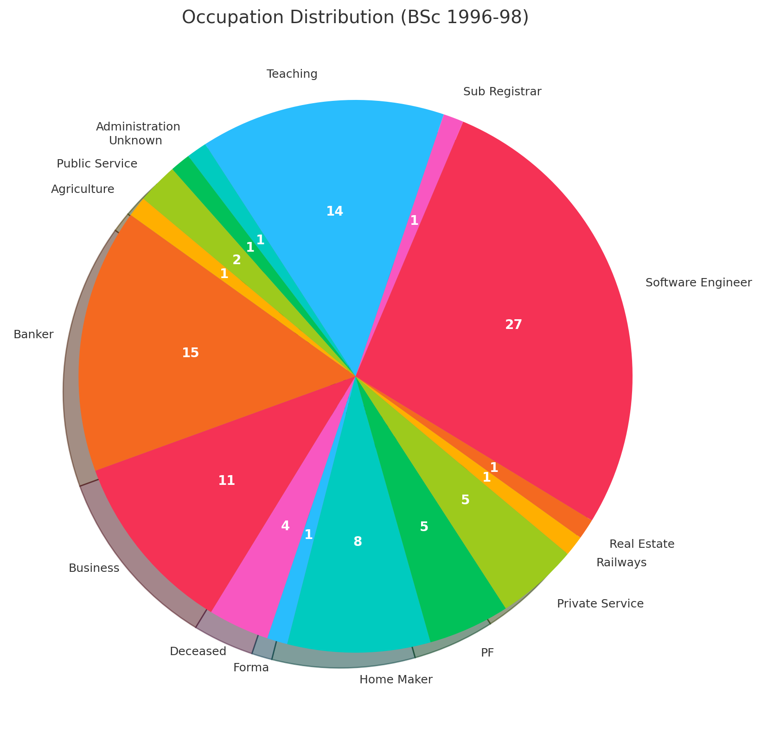
BSc 1996-98 | Count of Occupation
CS | 35
Agriculture | 1
Banker | 3
Business | 4
Deceased | 1
Forma | 1
Home Maker | 2
PF | 2
Private Service | 2
Software Engineer | 13
Teaching | 4
Administrtion | 1
Unknown | 1
EC | 17
Business | 3
Deceased | 1
Home Maker | 2
Real Estate | 1
Software Engineer | 7
Teaching | 1
Public Service | 2
MPC | 33
Banker | 10
Business | 2
Deceased | 1
Home Maker | 3
PF | 2
Private Service | 2
Railways | 1
Software Engineer | 3
Sub Registrar | 2
Teaching | 7
Grand Total | 85

